Navigation
SmartPLS report
Please cite the use of SmartPLS: Ringle, C. M., Wende, S., and Becker, J.-M. 2024. "SmartPLS 4." Bönningstedt: SmartPLS, https://www.smartpls.com.

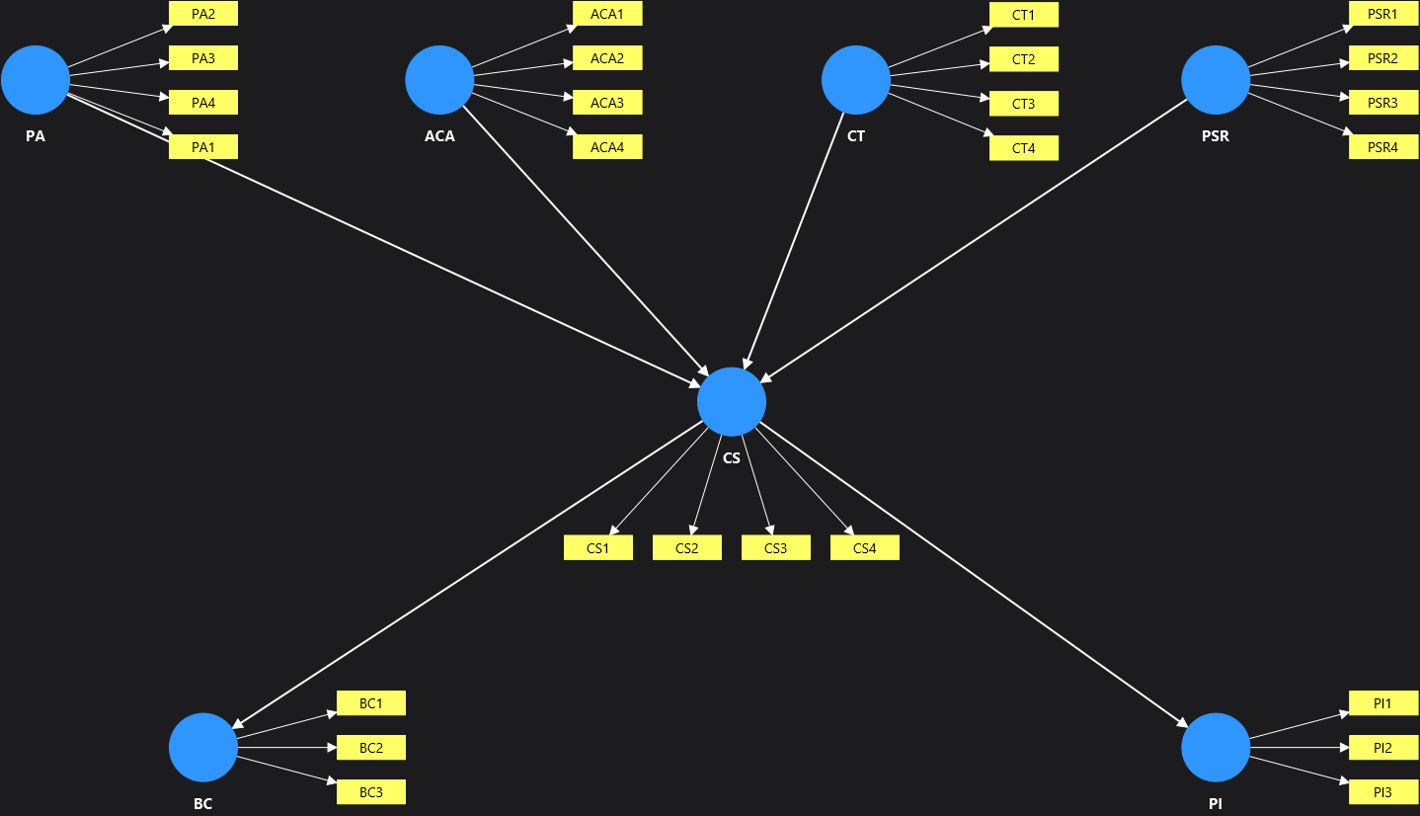
Model | Report (Influencer Authenticity)
Project | Influencer Authenticity Main Study
Data file | smartpls_import
Calculated | Oct 16, 2026, 4:03:05 PM
SmartPLS version | 4.1.1.9

 | Complete data set

Final results
Path coefficients | show
Intercepts | show
Total indirect effects | show
Specific indirect effects | show
Total effects | show
Outer loadings | show
Outer weights | show
Conditional direct effects | show
Conditional indirect effects | show

Quality criteria
R-square | show
R-square adjusted | show
f-square | show
Average variance extracted (AVE) | show
Composite reliability (rho_c) | show
Composite reliability (rho_a) | show
Cronbach's alpha | show
Heterotrait-monotrait ratio (HTMT) | show
Congruence coefficient | show
Latent variable correlations | show
Outer model collinearity statistics (VIF) | show
Inner model collinearity statistics (VIF) | show

Model fit
SRMR | show
d_ULS | show
d_G | show

Algorithm
Setting | show
Samples | show
Execution log | show

Histograms
Path coefficients histogram | show
Indirect effects histogram | show
Total effects histogram | show
Outer weights histogram | show

Model and data
Inner model | show
Outer model | show
Indicator data (original) | show
Indicator data (standardized) | show

Complete data set Charts
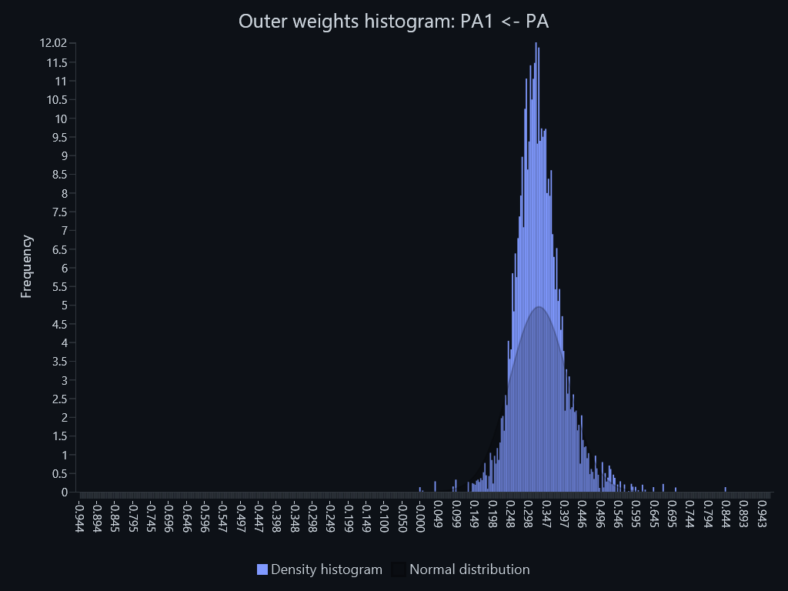
SmartPLS report
Please cite the use of SmartPLS: Ringle, C. M., Wende, S., and Becker, J.-M. 2024. "SmartPLS 4." Bönningstedt: SmartPLS, https://www.smartpls.com.

Path coefficients histogram – Path coefficients histogram: ACA -> CS
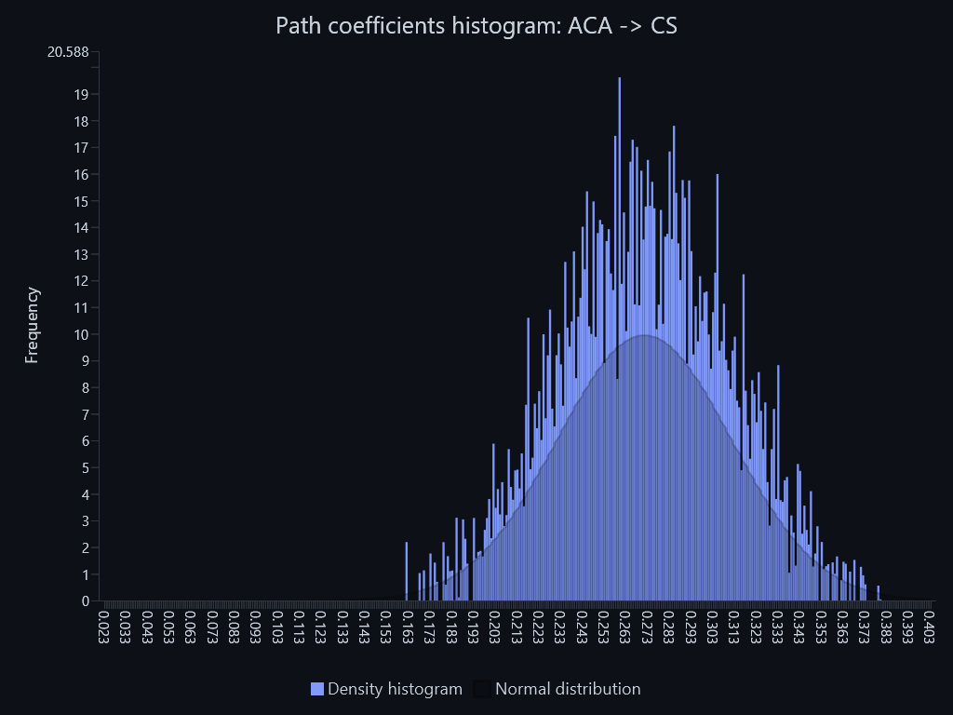

Path coefficients histogram – Path coefficients histogram: CS -> BC
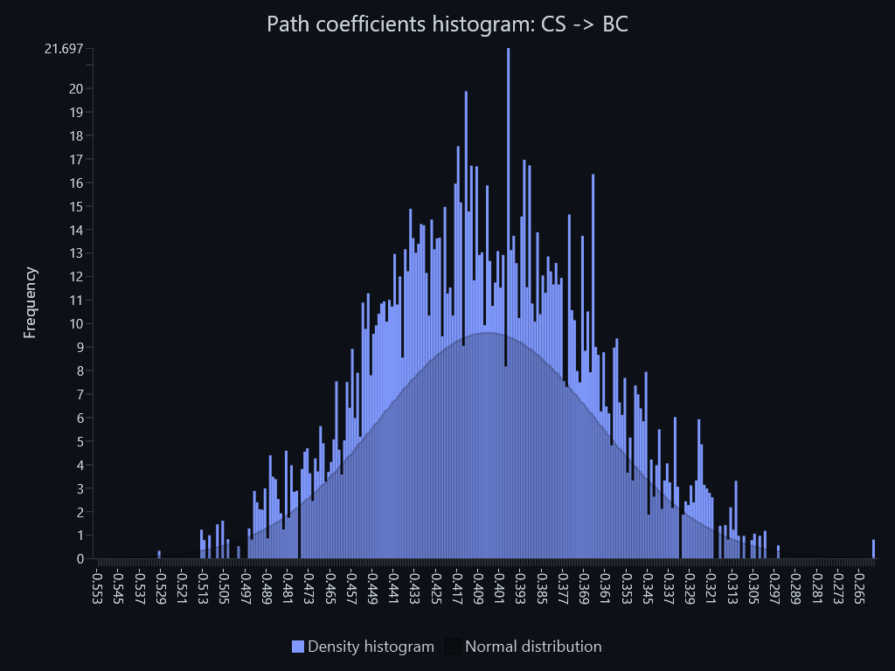

Path coefficients histogram – Path coefficients histogram: CS -> PI
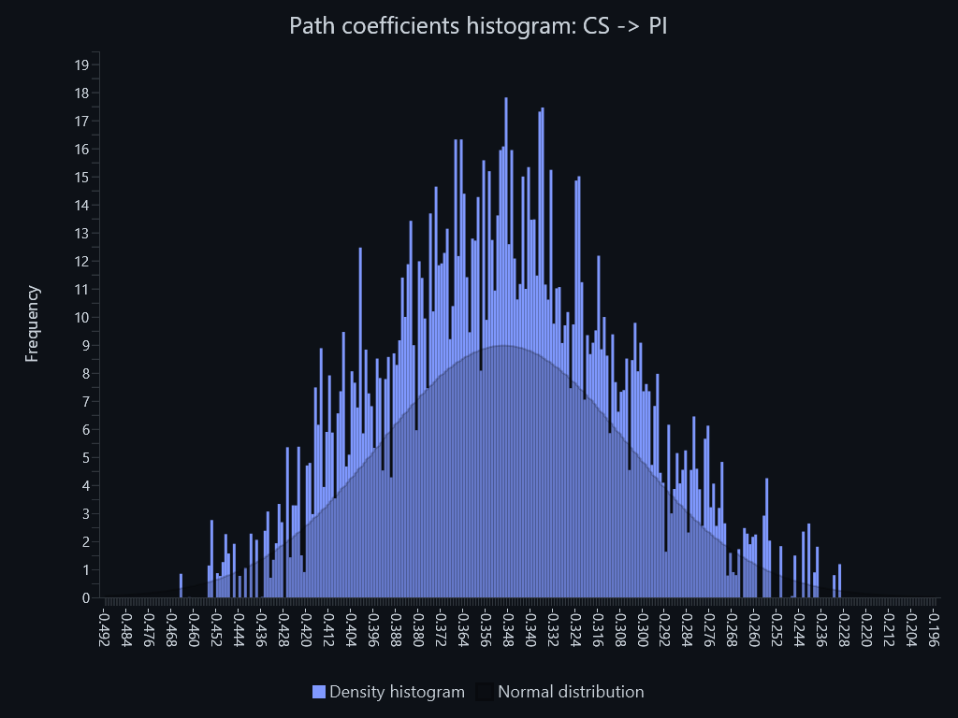

Path coefficients histogram – Path coefficients histogram: CT -> CS
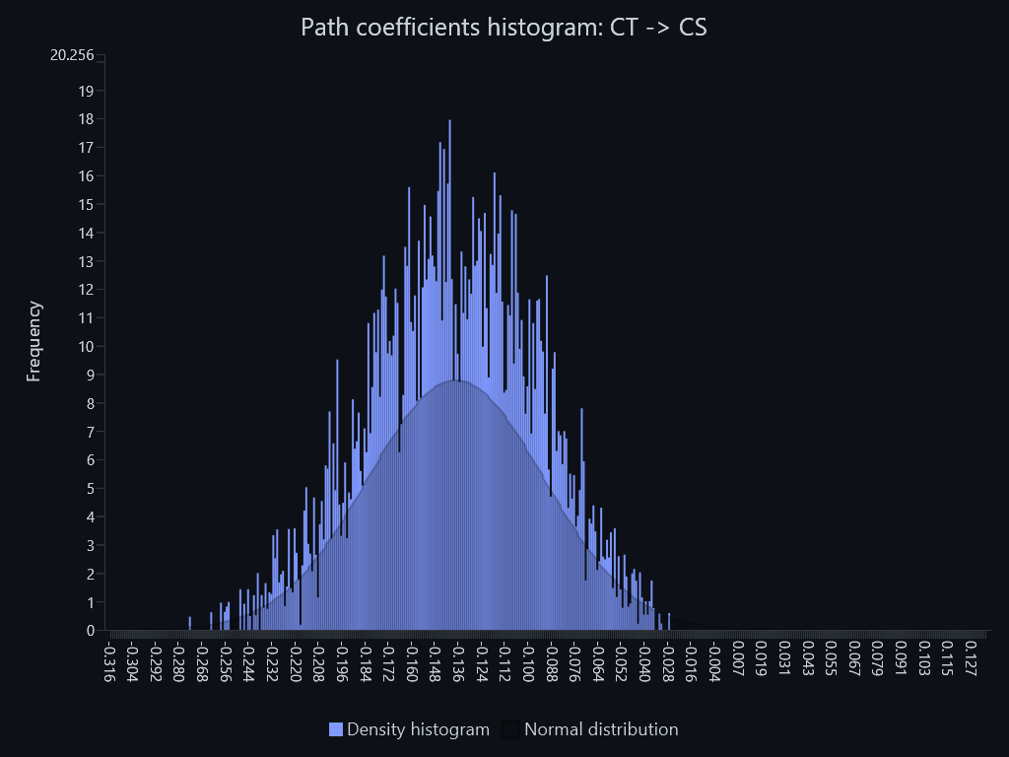

Path coefficients histogram – Path coefficients histogram: PA -> CS
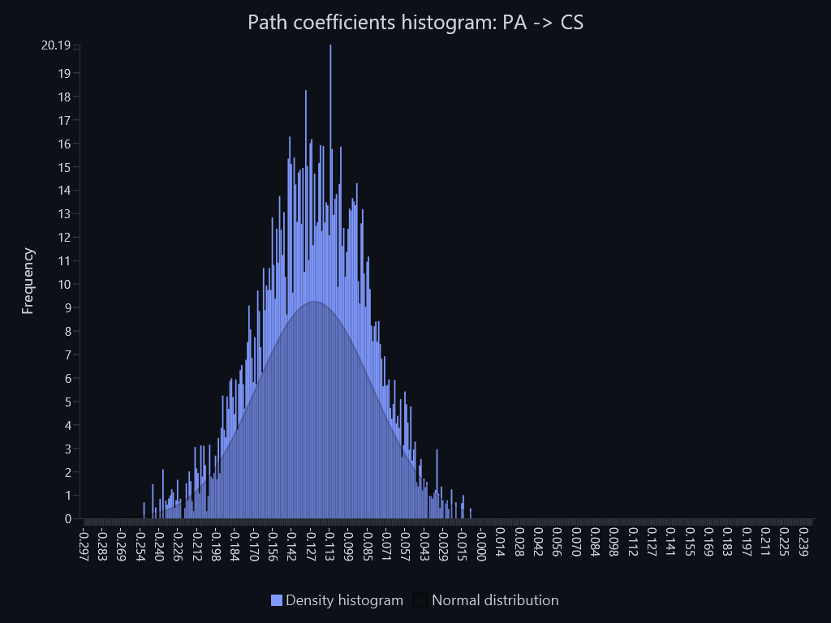

Path coefficients histogram – Path coefficients histogram: PSR -> CS
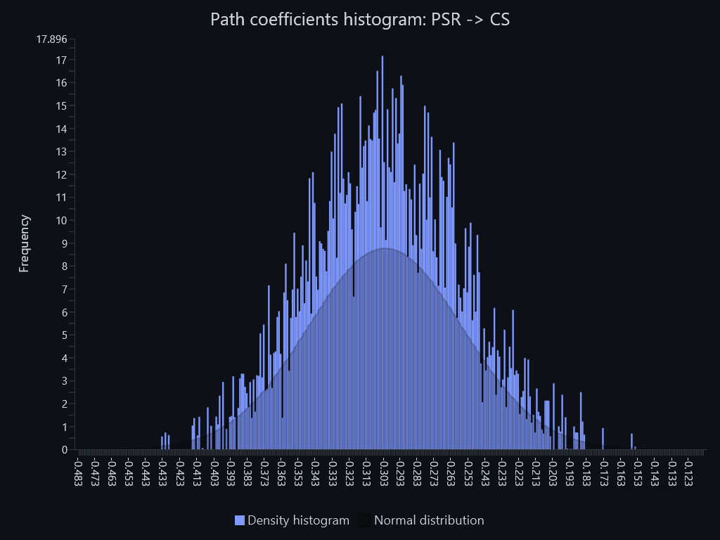

Indirect effects histogram – Indirect effects histogram: ACA -> BC
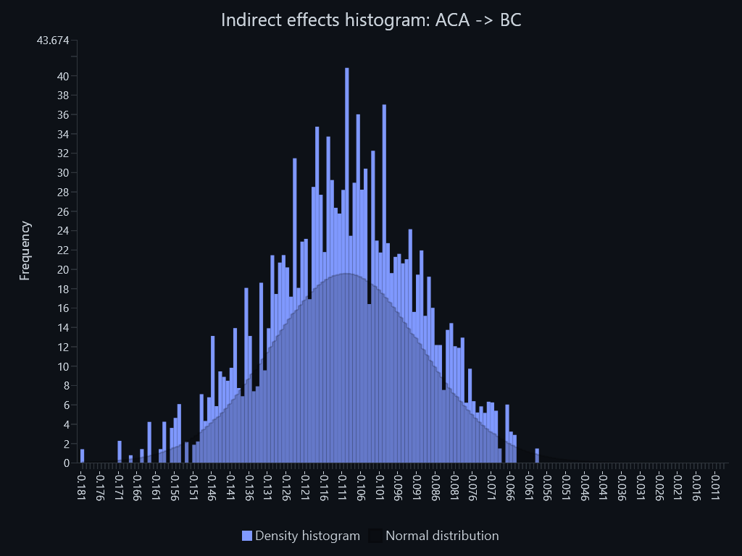

Indirect effects histogram – Indirect effects histogram: ACA -> PI
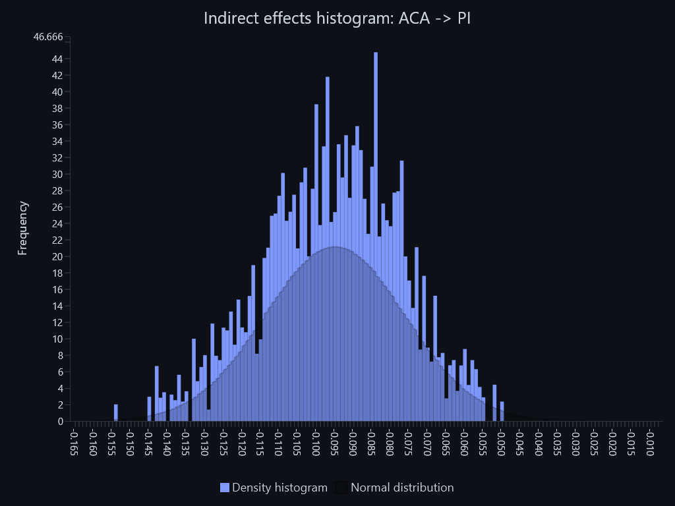

Indirect effects histogram – Indirect effects histogram: CT -> BC
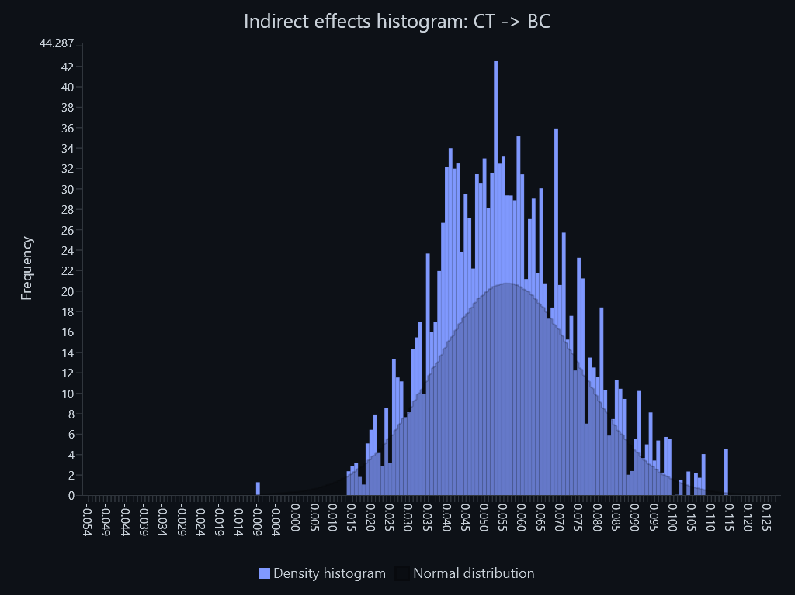

Indirect effects histogram – Indirect effects histogram: CT -> PI
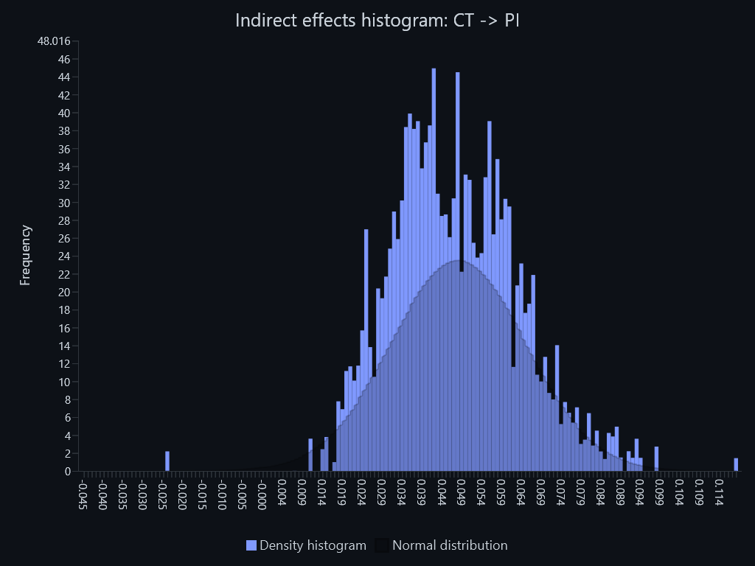

Indirect effects histogram – Indirect effects histogram: PA -> BC
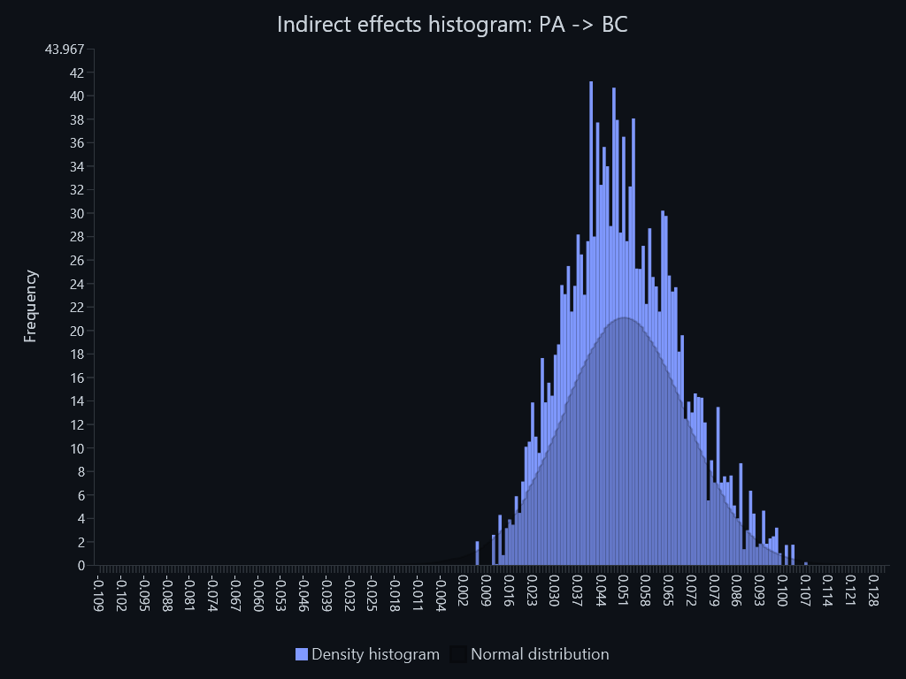

Indirect effects histogram – Indirect effects histogram: PA -> PI
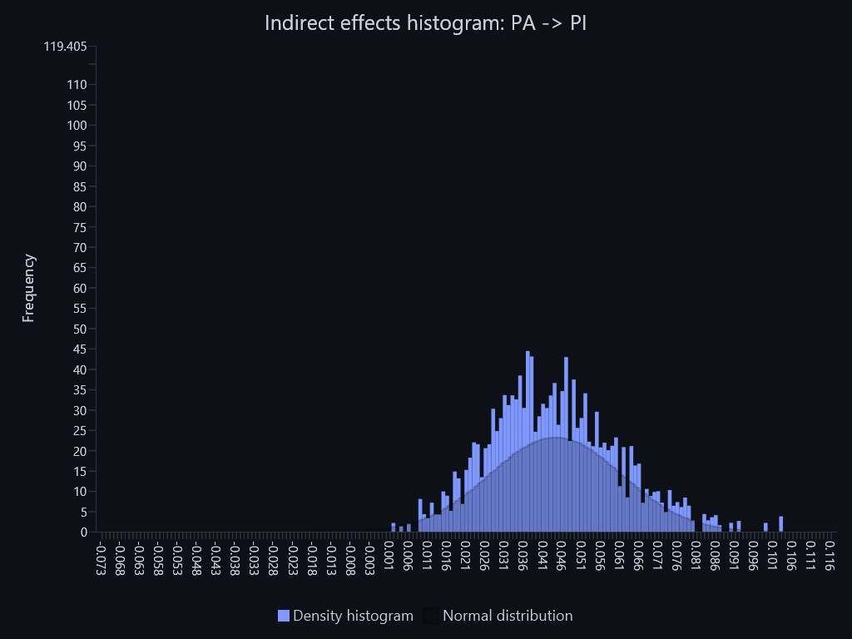

Indirect effects histogram – Indirect effects histogram: PSR -> BC
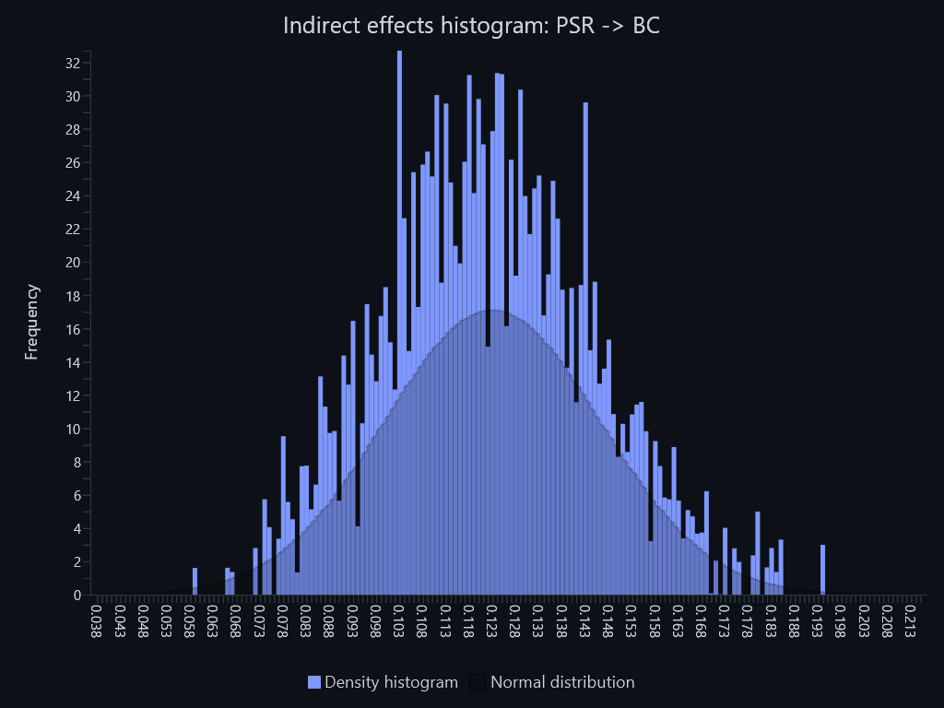

Indirect effects histogram – Indirect effects histogram: PSR -> PI
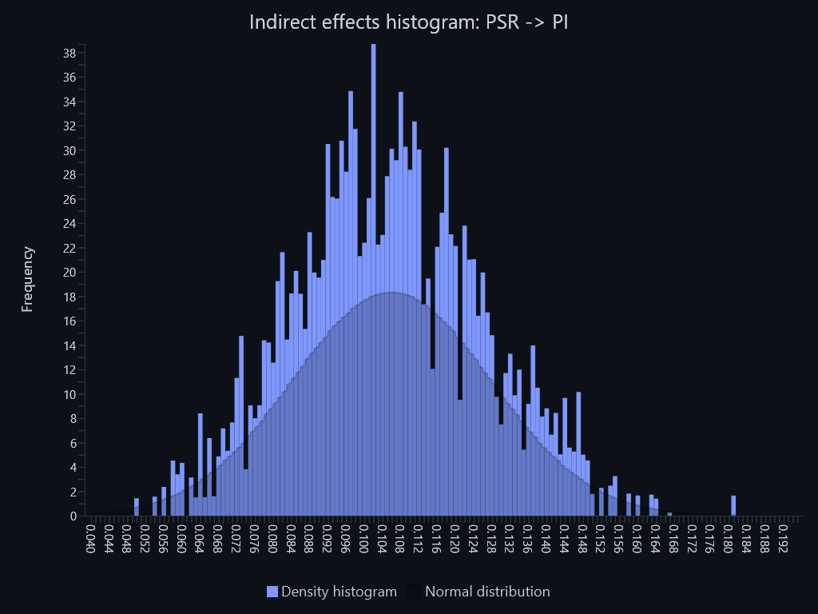

Total effects histogram – Total effects histogram: ACA -> BC


Total effects histogram – Total effects histogram: ACA -> CS


Total effects histogram – Total effects histogram: ACA -> PI


Total effects histogram – Total effects histogram: CS -> BC


Total effects histogram – Total effects histogram: CS -> PI


Total effects histogram – Total effects histogram: CT -> BC


Total effects histogram – Total effects histogram: CT -> CS
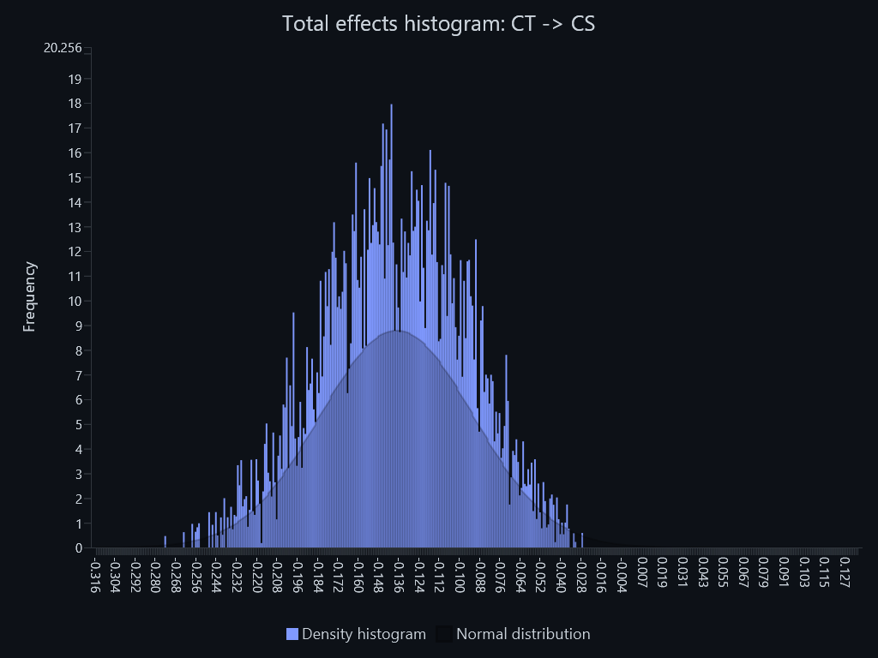

Total effects histogram – Total effects histogram: CT -> PI


Total effects histogram – Total effects histogram: PA -> BC


Total effects histogram – Total effects histogram: PA -> CS
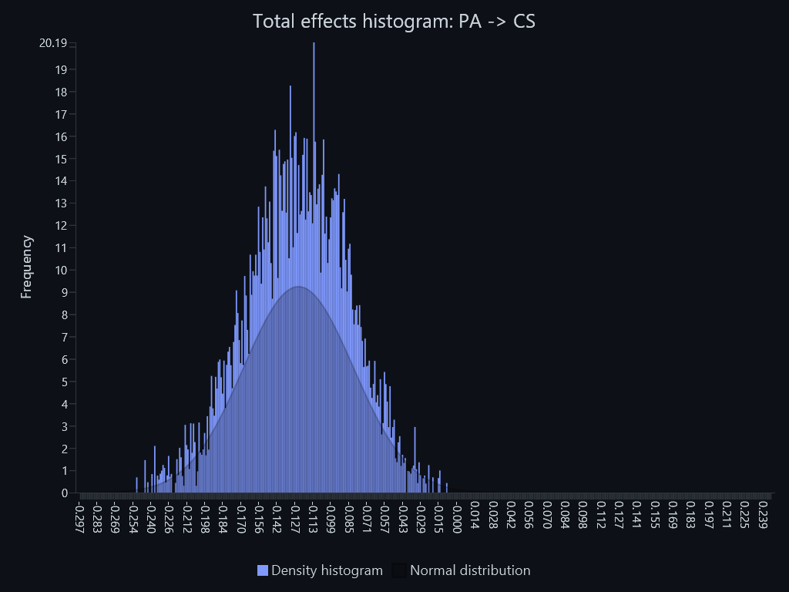

Total effects histogram – Total effects histogram: PA -> PI
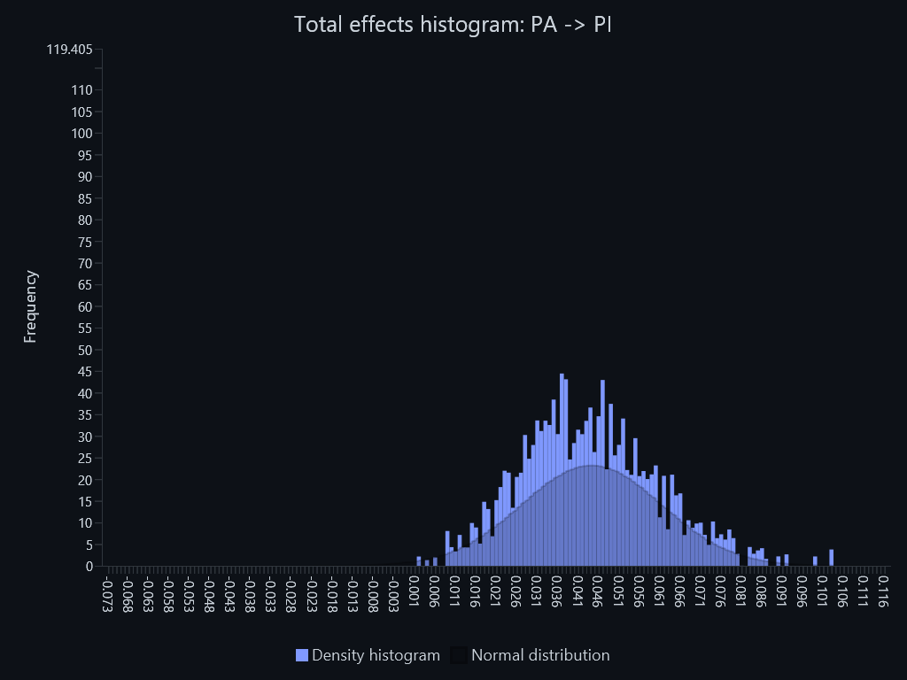

Total effects histogram – Total effects histogram: PSR -> BC


Total effects histogram – Total effects histogram: PSR -> CS
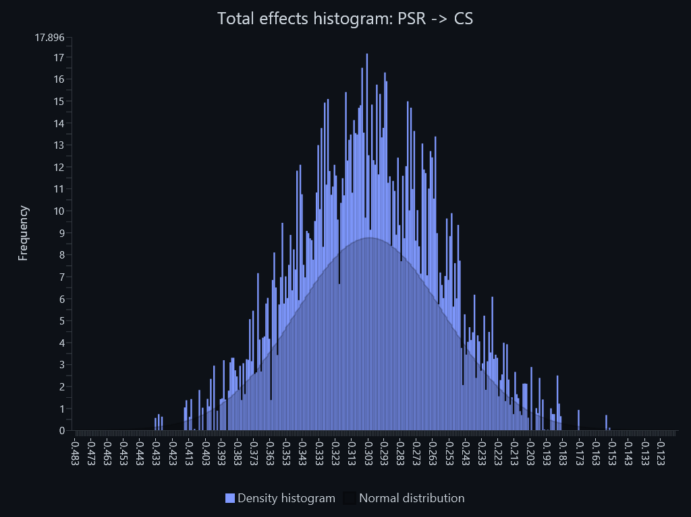

Total effects histogram – Total effects histogram: PSR -> PI
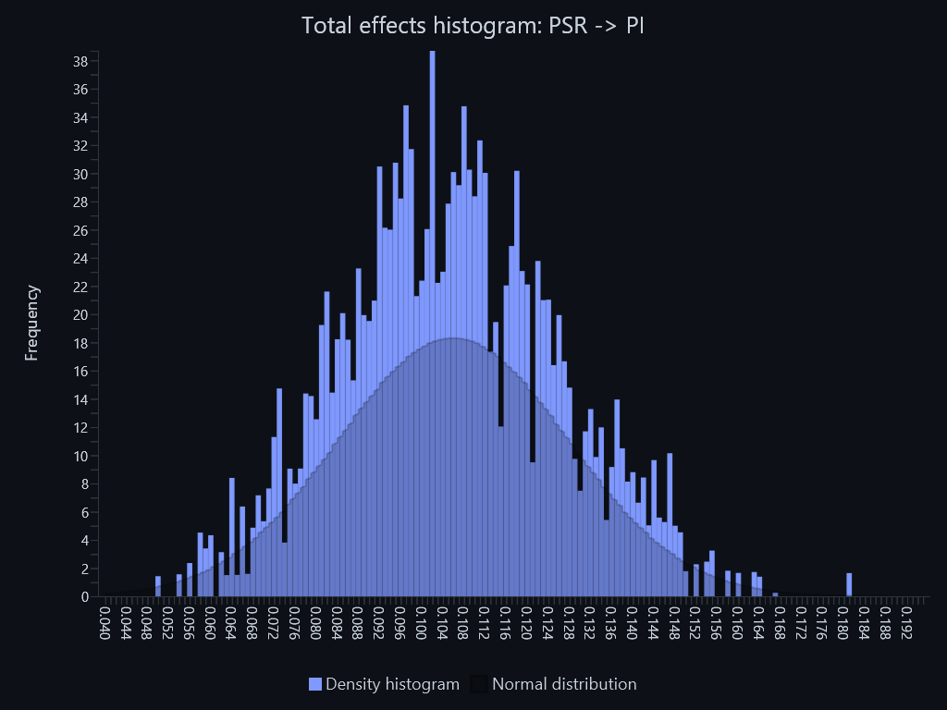

Outer weights histogram – Outer weights histogram: ACA1 <- ACA
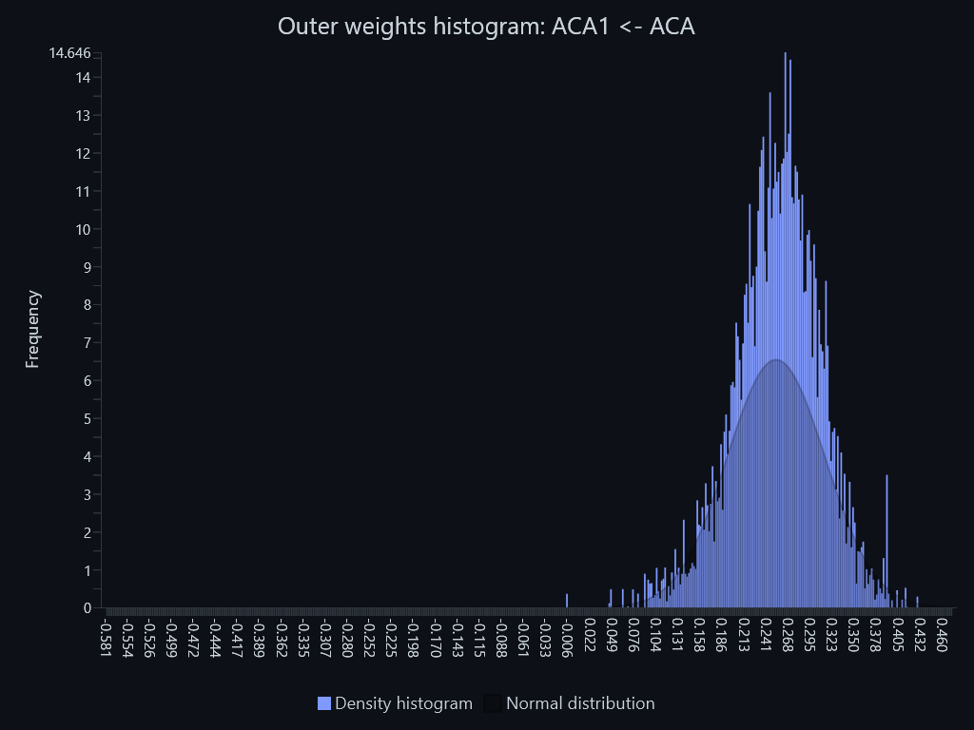

Outer weights histogram – Outer weights histogram: ACA2 <- ACA
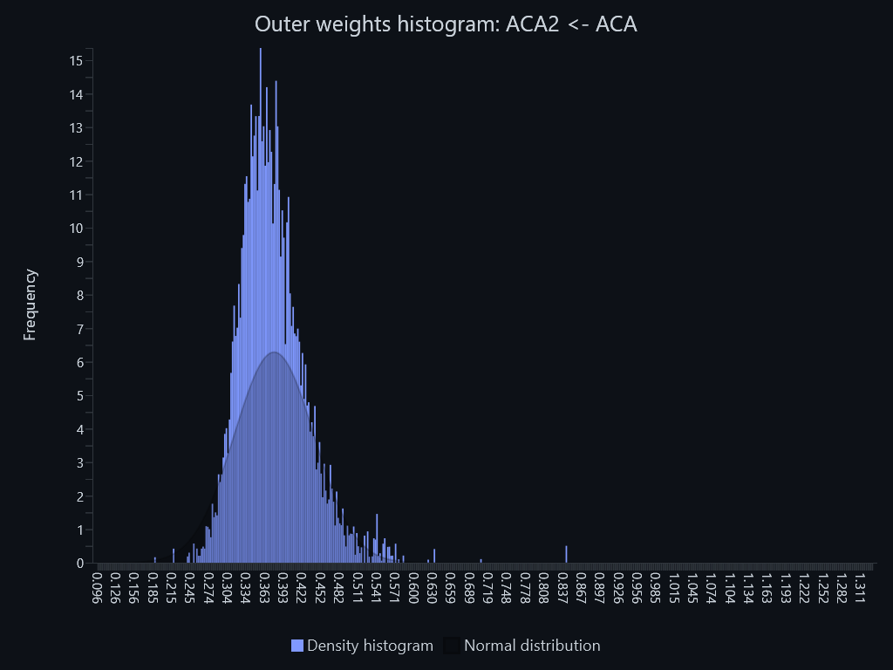

Outer weights histogram – Outer weights histogram: ACA3 <- ACA
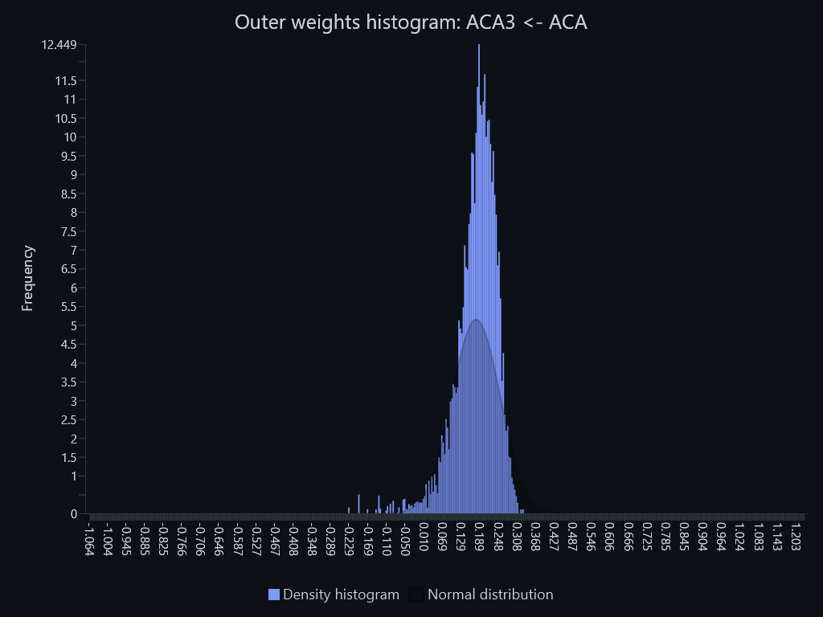

Outer weights histogram – Outer weights histogram: ACA4 <- ACA
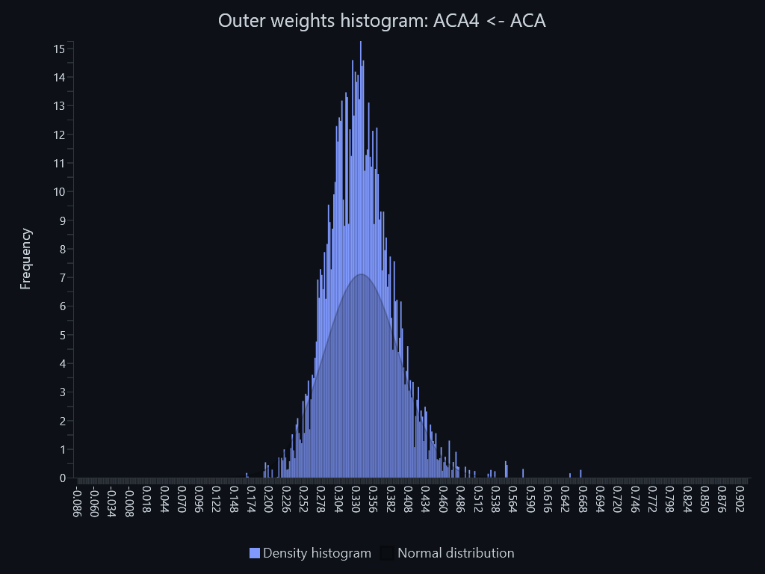

Outer weights histogram – Outer weights histogram: BC1 <- BC
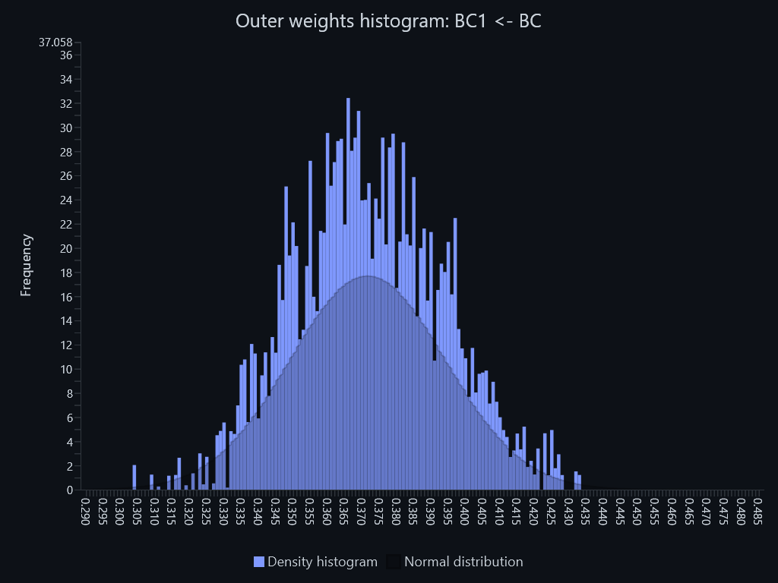

Outer weights histogram – Outer weights histogram: BC2 <- BC
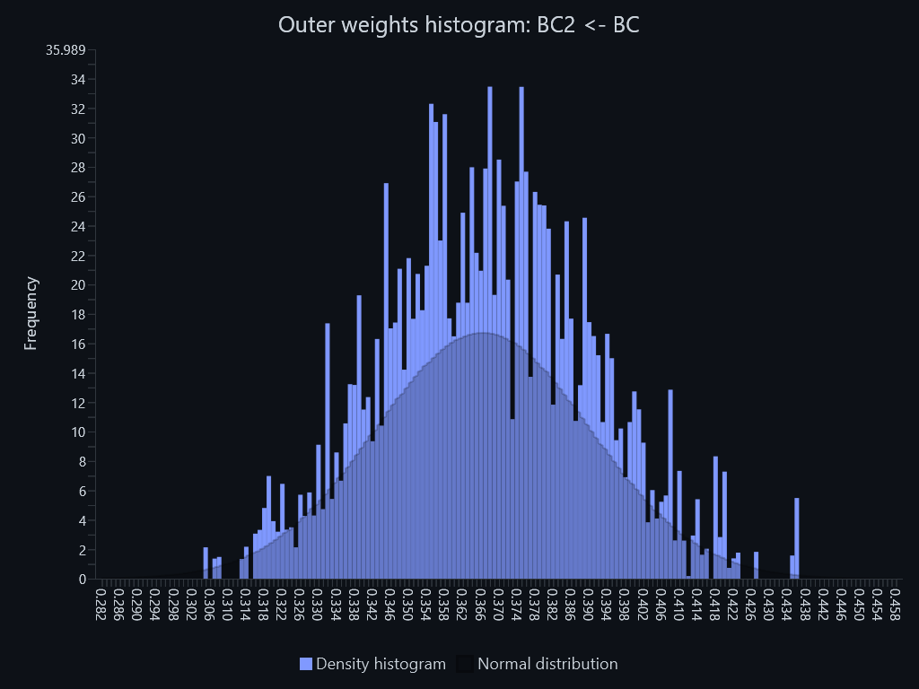

Outer weights histogram – Outer weights histogram: BC3 <- BC
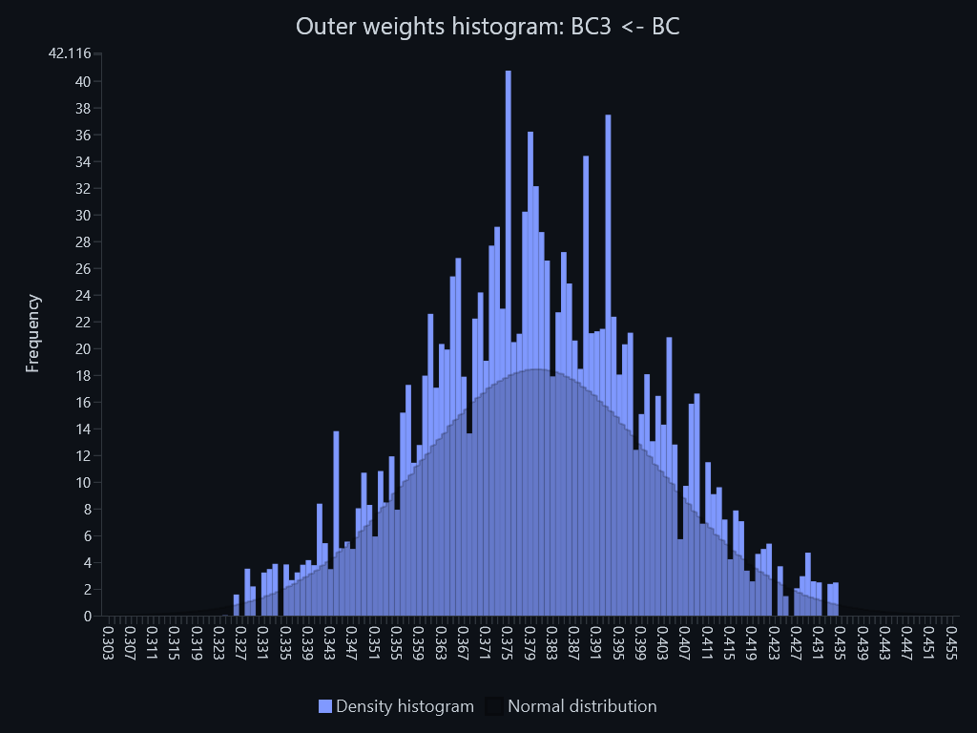

Outer weights histogram – Outer weights histogram: CS1 <- CS
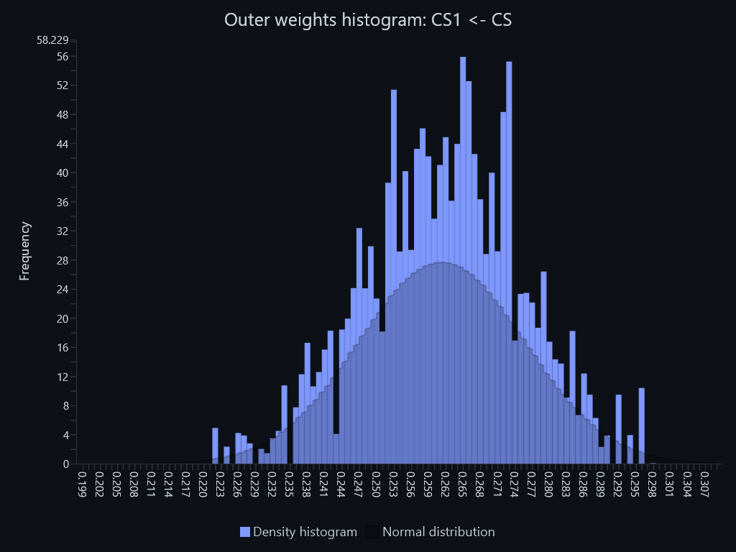

Outer weights histogram – Outer weights histogram: CS2 <- CS
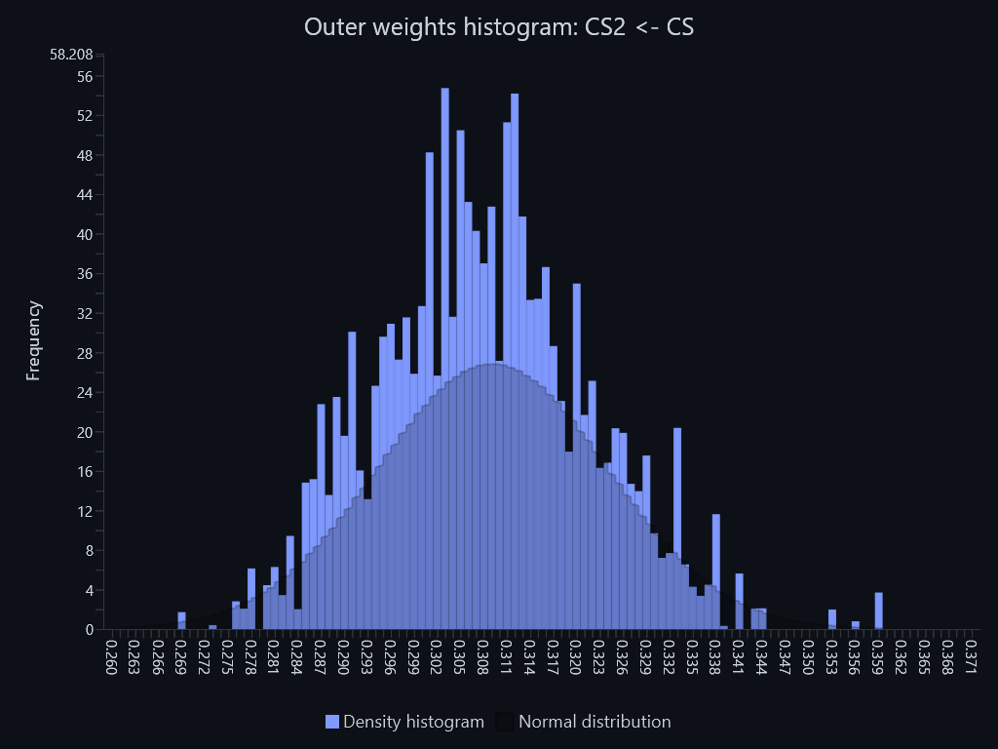

Outer weights histogram – Outer weights histogram: CS3 <- CS
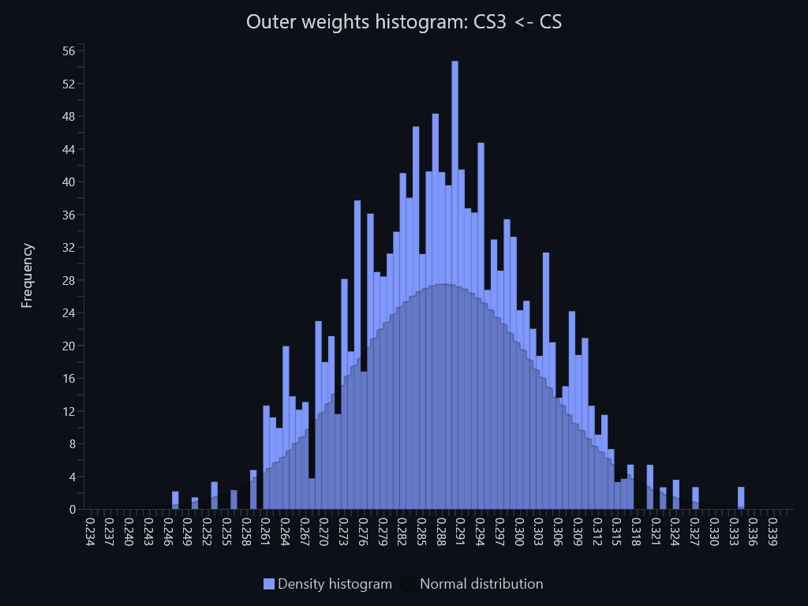

Outer weights histogram – Outer weights histogram: CS4 <- CS
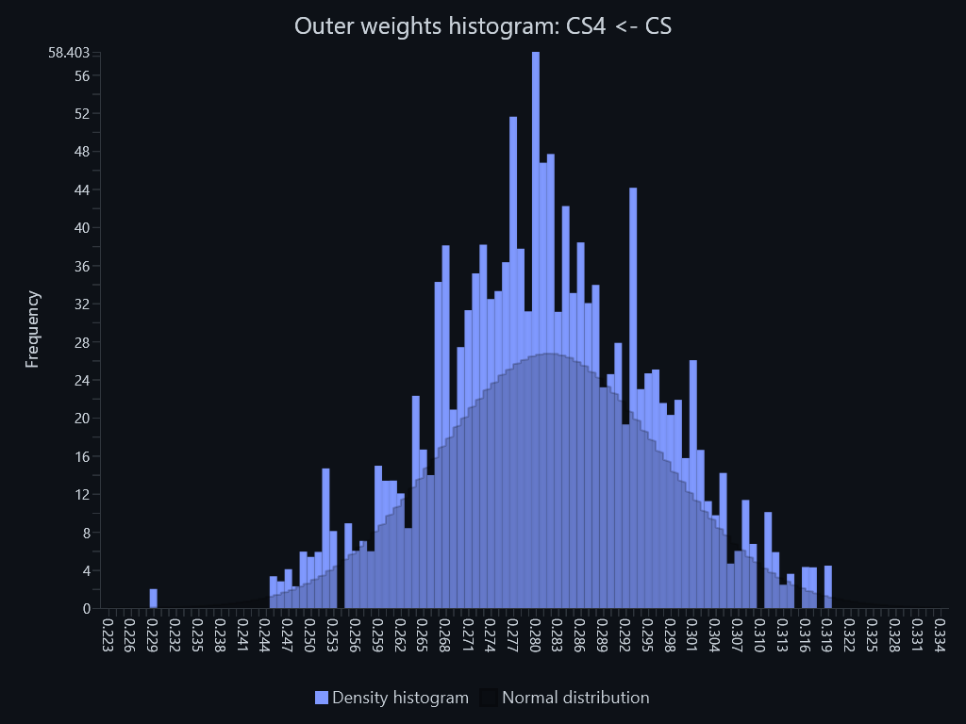

Outer weights histogram – Outer weights histogram: CT1 <- CT
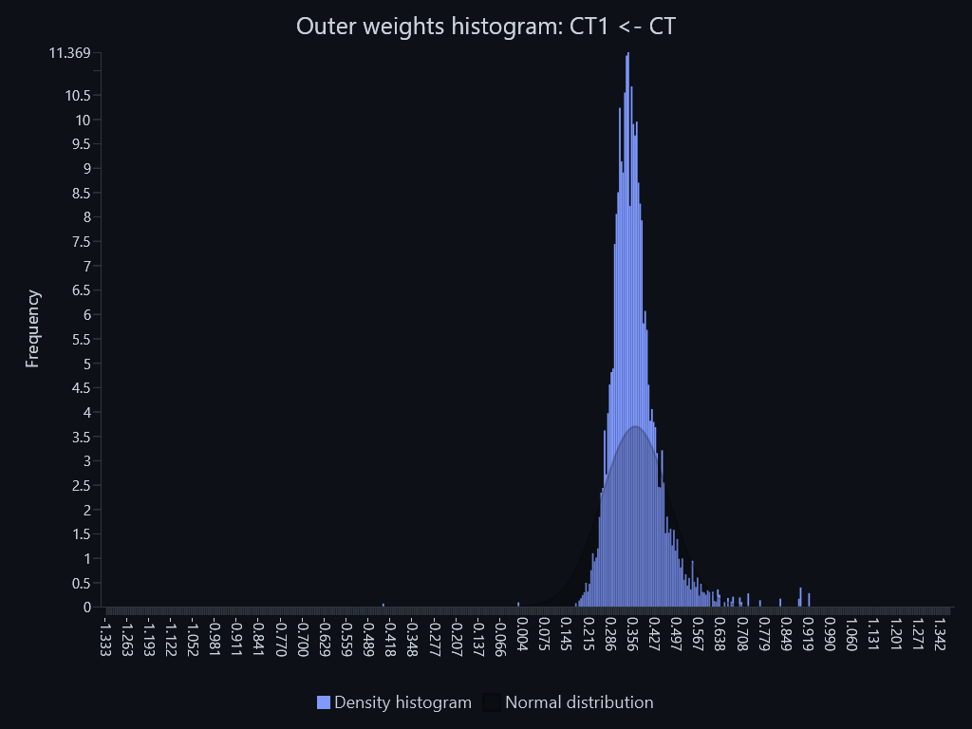

Outer weights histogram – Outer weights histogram: CT2 <- CT
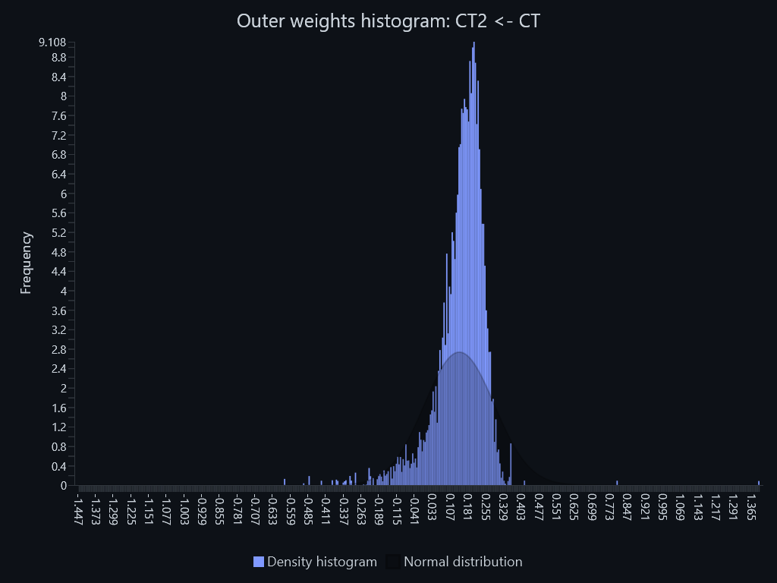

Outer weights histogram – Outer weights histogram: CT3 <- CT
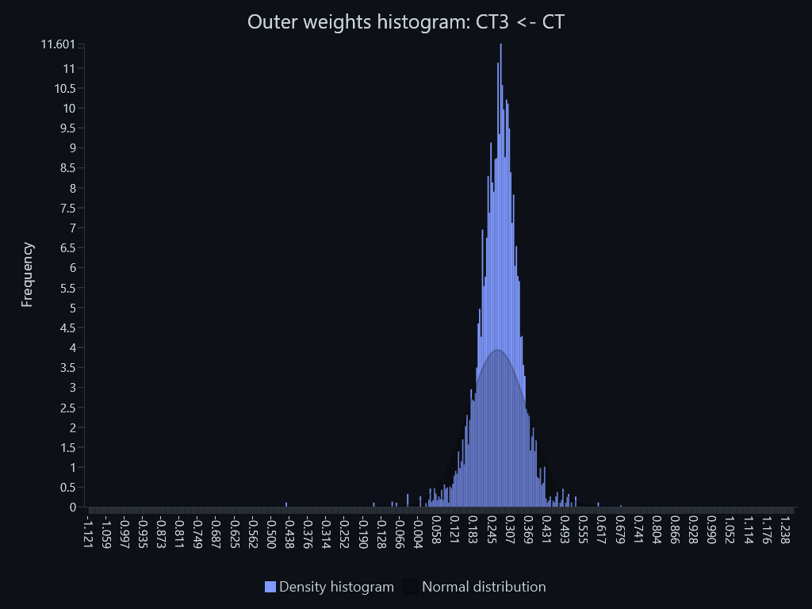

Outer weights histogram – Outer weights histogram: CT4 <- CT
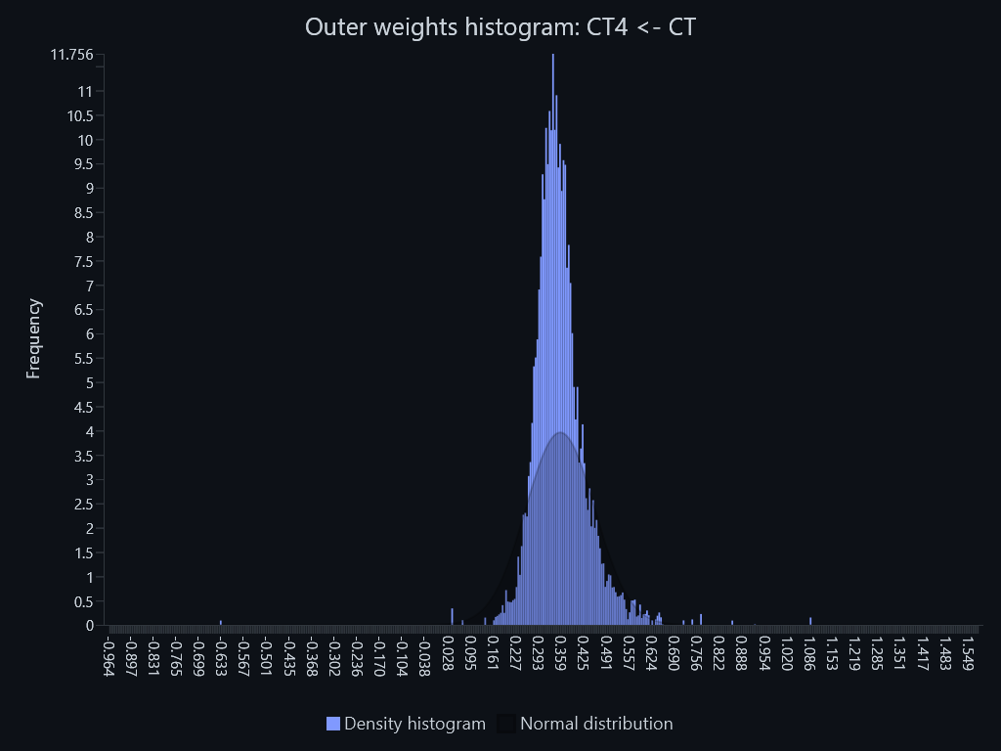

Outer weights histogram – Outer weights histogram: PA2 <- PA
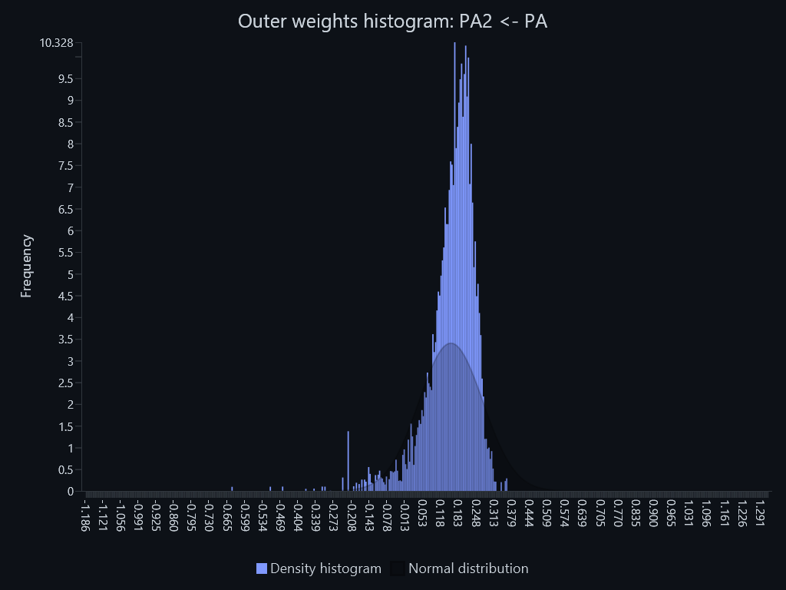

Outer weights histogram – Outer weights histogram: PA3 <- PA
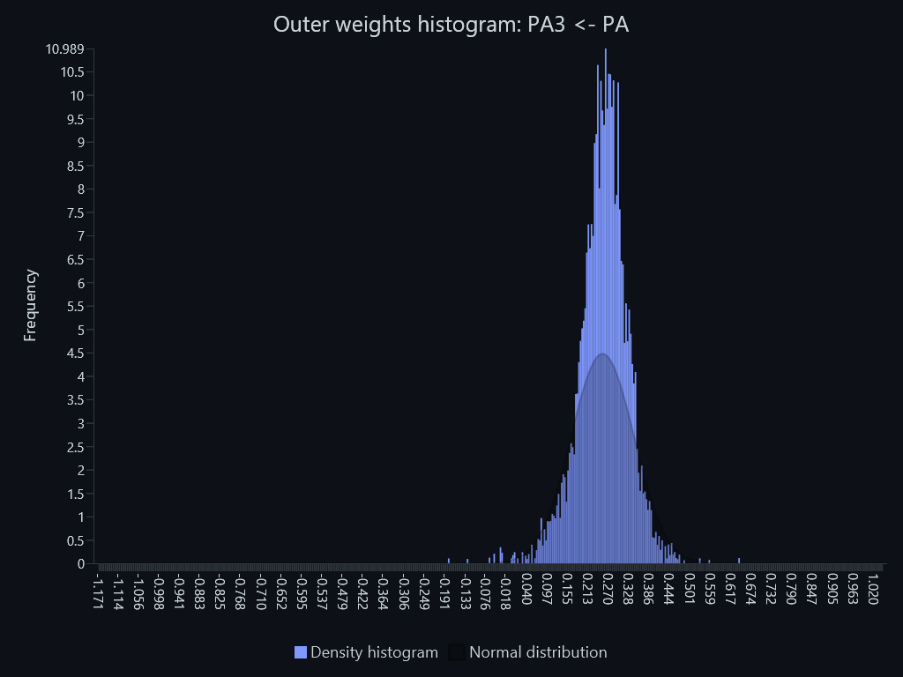

Outer weights histogram – Outer weights histogram: PA4 <- PA
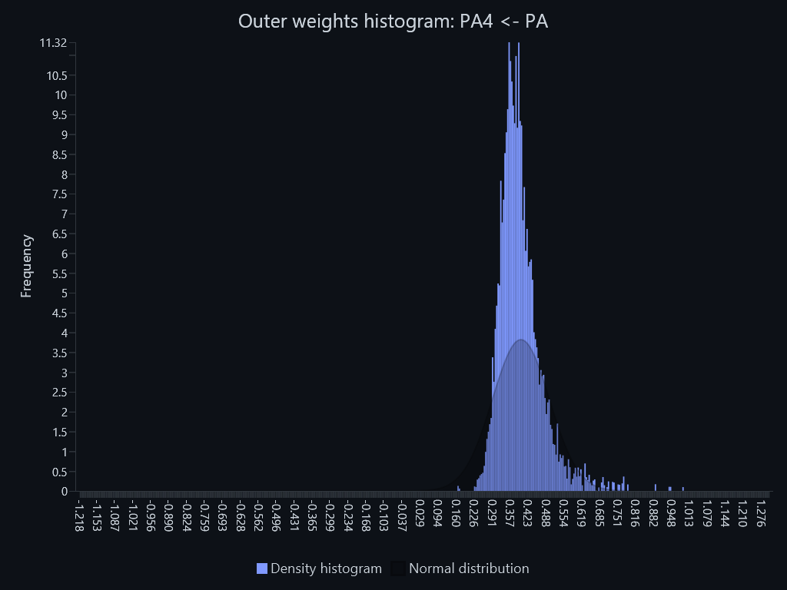

Outer weights histogram – Outer weights histogram: PI1 <- PI
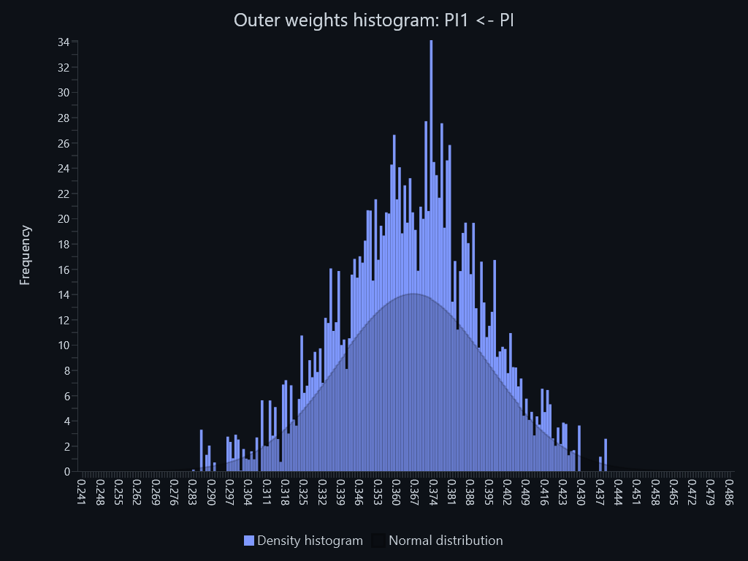

Outer weights histogram – Outer weights histogram: PI2 <- PI
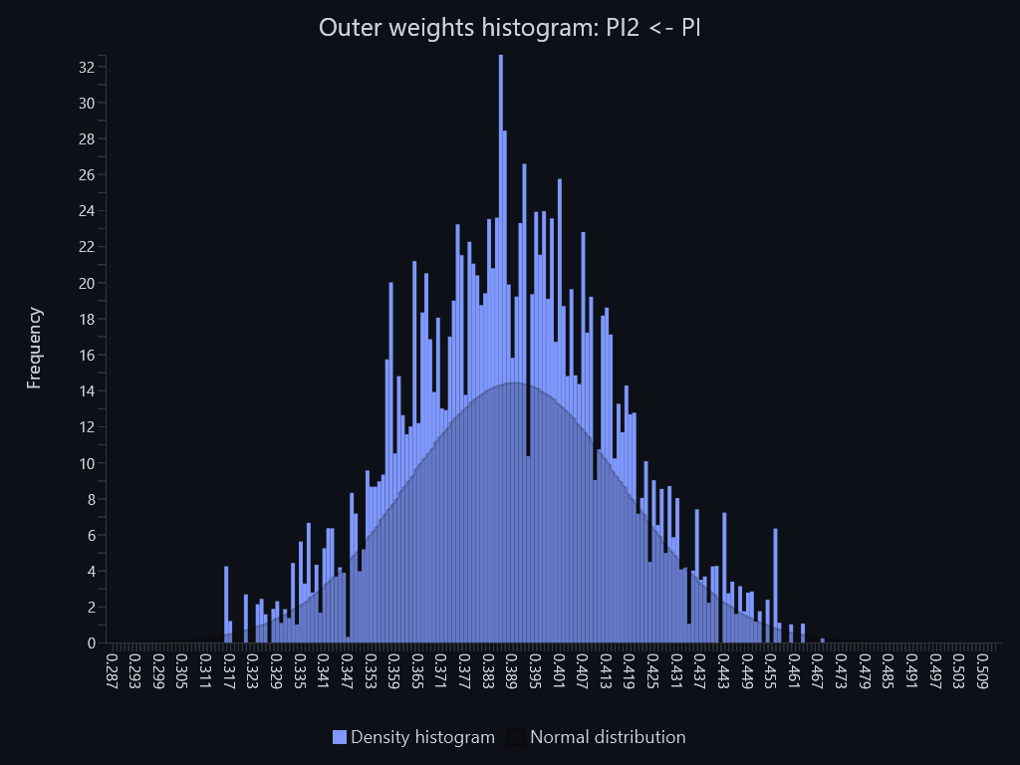

Outer weights histogram – Outer weights histogram: PI3 <- PI
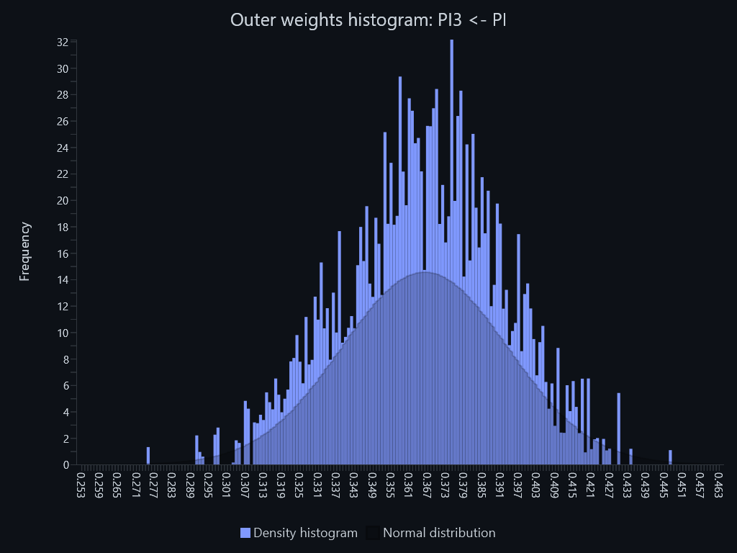

Outer weights histogram – Outer weights histogram: PSR1 <- PSR
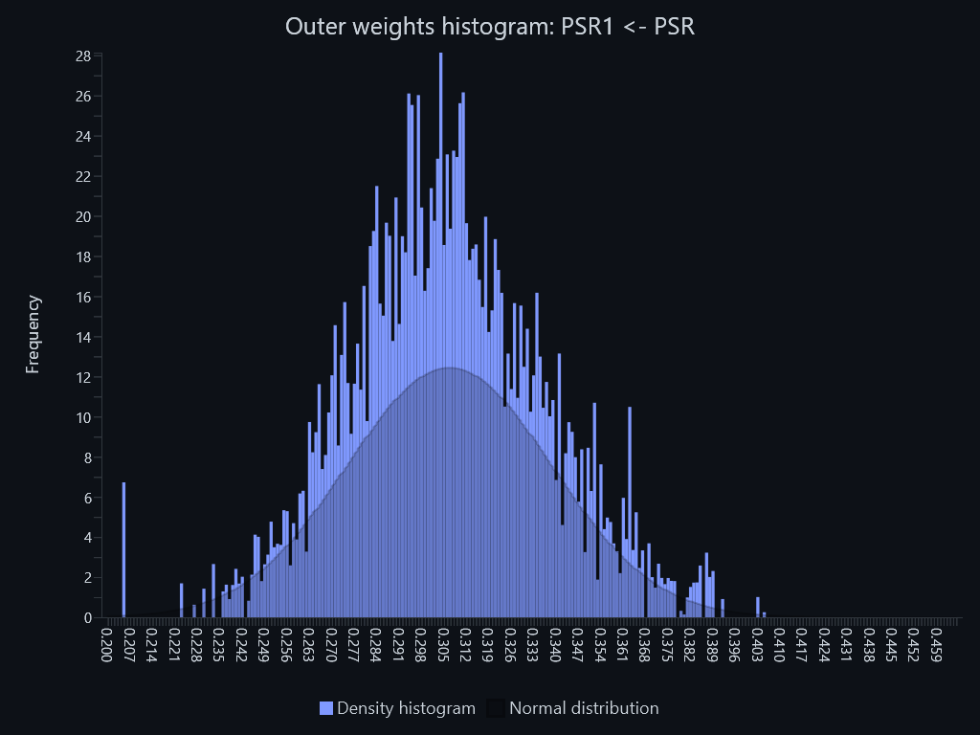

Outer weights histogram – Outer weights histogram: PSR2 <- PSR
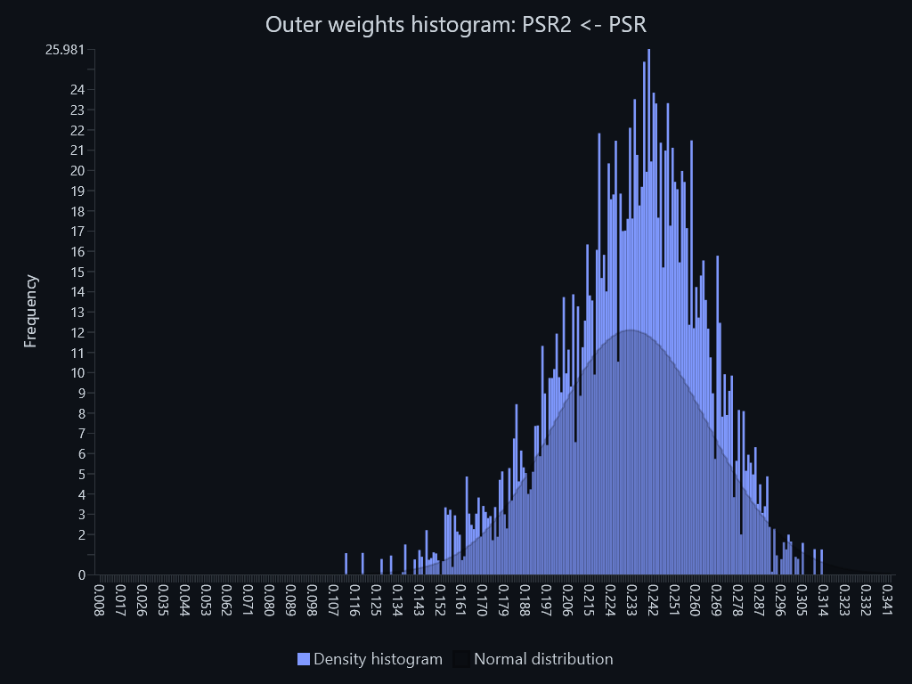

Outer weights histogram – Outer weights histogram: PSR3 <- PSR
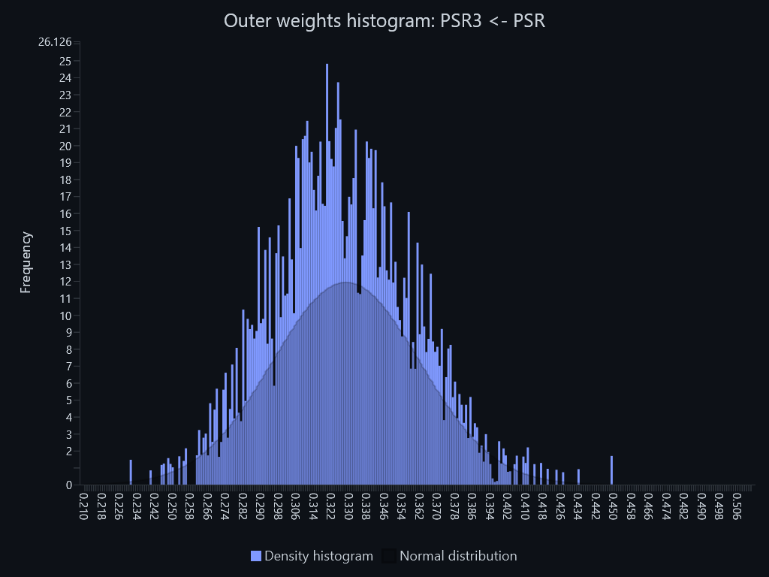

Outer weights histogram – Outer weights histogram: PSR4 <- PSR
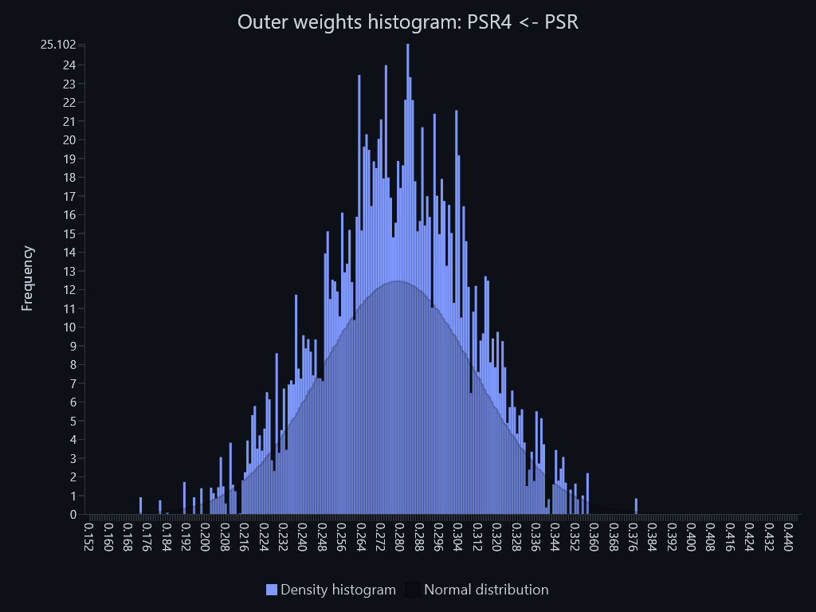

Outer weights histogram – Outer weights histogram: ﻿PA1 <- PA

